INCOME & EXPENDITURE
 |  |  |  | EXPENSE MAPPING TABLE FOR INCOME & EXPENDITURE STATEMENT
Cash/Bank Account | Expense Account | Expense Code USD | Expense Code ZWG | Exepense Category | Funding Source Category | Landlord Sub Account | Default Expense Description | Custom Expense Description | Amount
Cash/Bank | Property Expense - Salaries & Wages | 2000/001 | 2000/501 | Operating Expenses | Rent | Landlord Rent Liability | Salaries & Wages | Salaries-Sunset Villas December | US$543.00
Cash/Bank | Property Expense - Utilities | 2000/002 | 2000/502 | Operating Expenses | Rent | Landlord Rent Liability | Utilities | Utilities-Detergents-Palm Heights
Cash/Bank | Property Expense - Electricity | 2000/003 | 2000/503 | Operating Expenses | Rent | Landlord Rent Liability | Electricity | Zesa Token-Palm Heights
Cash/Bank | Property Expense - Refuse Collection | 2000/004 | 2000/504 | Operating Expenses | Rent | Landlord Rent Liability | Refuse Collection
Cash/Bank | Property Expense - Payroll Expenses | 2000/005 | 2000/505 | Operating Expenses | Rent | Landlord Rent Liability | Payroll Expenses
Cash/Bank | Property Expense - Security Fees | 2000/006 | 2000/506 | Operating Expenses | Rent | Landlord Rent Liability | Security Fees
Cash/Bank | Property Expense - Routine Maintenance | 2000/007 | 2000/507 | Operating Expenses | Rent | Landlord Rent Liability | Routine Maintenance | Lawn Mower hire
Cash/Bank | Property Expense - General Repairs | 2000/008 | 2000/508 | Operating Expenses | Rent | Landlord Rent Liability | General Repairs | Gate Repairs-Zambezi Manors
Cash/Bank | Property Expense - City of Harare Rates | 2000/009 | 2000/509 | Operating Expenses | Rent | Landlord Rent Liability | City of Harare Rates
Cash/Bank | Property Expense - Upper Manyame Rates | 2000/010 | 2000/510 | Operating Expenses | Rent | Landlord Rent Liability | Upper Manyame Rates
Cash/Bank | Property Expense-NSSA | 2100/001 | 2100/501 | Payroll Expenses | Rent | Landlord Rent Liability | NSSA
Cash/Bank | Property Expense-PAYE | 2100/002 | 2100/502 | Payroll Expenses | Rent | Landlord Rent Liability | PAYE
Cash/Bank | Property Expense-Cash In Lieu | 2200/001 | 2200/501 | Other Expenses | Rent | Landlord Rent Liability | Cash In Lieu
Cash/Bank | Property Expense-Gratuity | 2200/002 | 2200/502 | Other Expenses | Rent | Landlord Rent Liability | Gratuity | Museva Cliff-Southern Heights
Cash/Bank | Property Expense - Insurance | 2200/003 | 2200/503 | Other Expenses | Rent | Landlord Rent Liability | Insurance
Cash/Bank | Property Expense - Legal & Professional Fees | 2200/004 | 2200/504 | Other Expenses | Rent | Landlord Rent Liability | Legal & Professional Fees | Waverton Debt Collectors-Impala Flats
Cash/Bank | Property Expense - Bank Charges | 2300/001 | 2300/501 | Finance Expenses | Rent | Landlord Rent Liability | Bank Charges
Cash/Bank | Property Expense-Interest Charges | 2300/002 | 2300/502 | Finance Expenses | Rent | Landlord Rent Liability | Interest Charges | Loan Interest payment-Stanbic Bank
Cash/Bank | Land | 3000/001 | 3000/501 | Assets | Rent | Landlord Rent Liability | Land | Land Purchase-Palm Heights
Cash/Bank | Buildings | 3000/002 | 3000/502 | Assets | Rent | Landlord Rent Liability | Buildings | Paving-Zambezi Manors
Cash/Bank | Buildings | 3000/002 | 3000/502 | Assets | Rent | Landlord Rent Liability | Buildings | Boundary Wall Construction
Cash/Bank | Buildings | 3000/002 | 3000/502 | Assets | Rent | Landlord Rent Liability | Buildings | Borehole Drilling
Cash/Bank | Motor Vehicles | 3000/003 | 3000/503 | Assets | Rent | Landlord Rent Liability | Motor Vehicles | Vehicle Purchase-Nissan NP200-Reg no. AGF8088
Cash/Bank | Officer Furniture | 3000/004 | 3000/504 | Assets | Rent | Landlord Rent Liability | Office Furniture | Office Furniture-Milano Office Chair-Palm Court
Cash/Bank | Computer Equipment | 3000/005 | 3000/005 | Assets | Rent | Landlord Rent Liability | Computer Equipment | HP LaserJet Printer-137fnw series-Ondo Mews
Cash/Bank | Accounts Receivable | 4100/001 | 4100/501 | Assets | Rent | Landlord Rent Liability | Accounts Receivable | Staff loan-Andrew Zhangare-Sunset Villas
Cash/Bank | Short-term loan | 6100/010 | 6100/510 | Liabilities | Rent | Landlord Rent Liability | Staff loans | Loan repayment-Stanbic-Sunset Villas
Cash/Bank | Mortgage | 7000/010 | 7000/510 | Long-Term Liabilities | Rent | Landlord Rent Liability | Mortgage | Mortgage Repayment-NBS-Southern Heights

The table above is a combination of expense accounts mapping and the sequence followed in the expense posting dialogue/interface.

SEQUENCE
When you open the dialogue, the sequnce is as follows:
1 | Select a date
2 | First select the bank account from which you want funds to come from. The selection of the bank account dictates the currency which is going to be used throughout the entire transaction.
3 | Select the expense account. Since the bank account has already determined the currency to be used, USD or ZWG currency automatically displays because from the beginning, the bank account has laready set the currency mode.
4 | Select the funding source. By selecting the funding source, you are setting the system to prepare for the correct landlord sub-account to be selected for the transaction. These categories are Rent, Levy, Special Levy, Rates, Parking and VAT. Maintenance
5 | After selecting the right category in step 4, you the select the Landlord. The category selection in step 4 has already determined the category the system will automatically display the correct Landlord's sub-account.
6 | After selecting the landlord a dafault Expense description automatically displays, based on the Expense account you have selected in step 3. You can decide to compeletely alter the narration or put additional text in front of the default description.
 | Howver, the complete deletion of the default narration usually defeats the purpose of having those expenses accounts in the system.
7 | You finally put the amount you want to spend.
8 | You submit the transaction and get redirected to the confirmation dialogue to confirm if you have decided to update the transaction.

It is worth noting that expense transactions can be posted as a batch rather than updating single transactions one after the other. Workflow efficiency brought by batch processing is one of the reasons why organisations stick to a sinngle software for decades.

The diagram below depicts the transaction flow when posting expenses. The 8 stages we have explained above are summarised diagramatically.

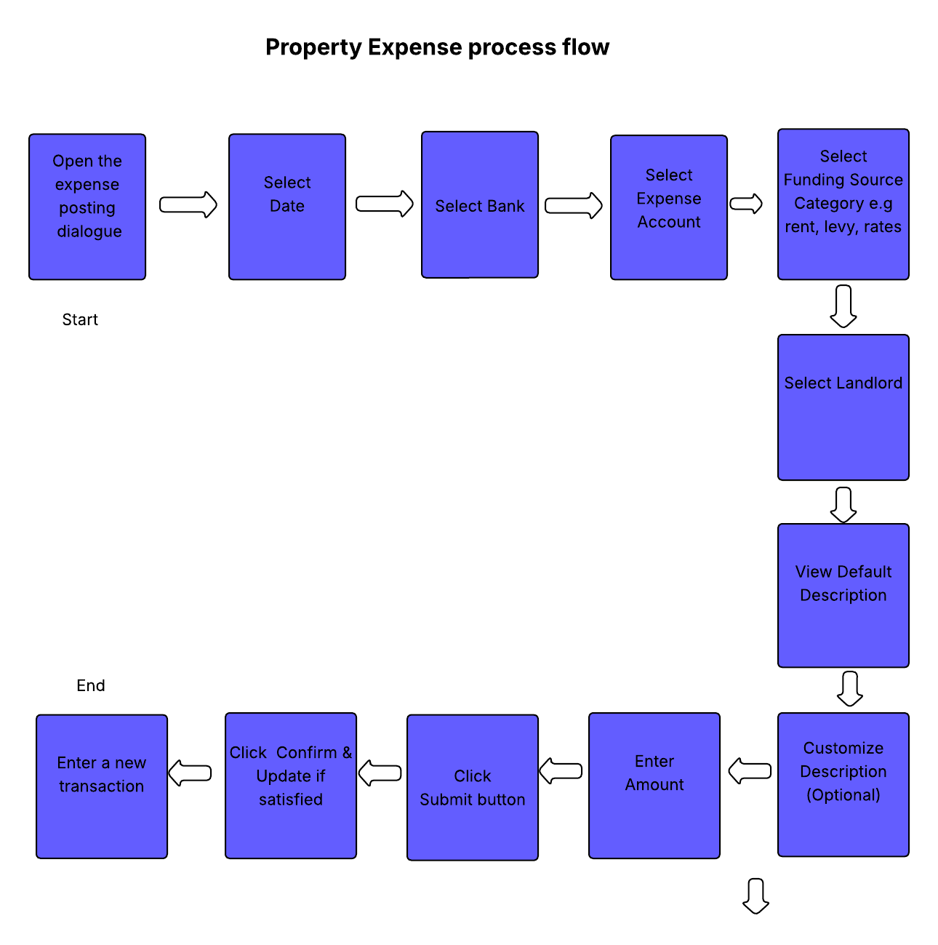

ACCOUNT MAPPING LOGIC (CASH EXPENSE MAPPING TABLE FOR INCOME & EXPENDITURE STATEMENT)
 | Transactions in black are the regular transactions that are posted in Income Statement/Profit & Loss Statement, but the fact that they are cash expenses that affect the landlord's cash balances, they become part of the Income & Expenditure Statement
 | These are real expenses that affect the profit and loss position of an entity. They perfectly meet the definition of expenses according to accounting standards.
 | Apart from the Income & Expenditure statement these transactions will be used by the system in the Income Statement/Profit & Loss.
 | The Profit & Loss Statement is where these trnsactions naturally belong.

 | Transactions in blue colour do not meet the definition of expenses. But for the purpose of generating the Income and Expenditure Statement, they are required.
 | The transactions naturally belong to the balance sheet as per the standards of conventional accounting.
 | Their presence on the Income & Expenditure expense module is based on the sense that they decrease the amount of cash that the landlord has in their account. They decrease the agent's liability/cash owed to the landlord.
 | The balance sheet is the perfect and most appropriate section where transactions should appear.
 | They positively affect the balance sheet accounts by either increasing or decreasing every balance sheet account, as required in the general principles of accounting.

 | TRANSANCTION FLOW FOR CASH BASED EXPENSE MODULE

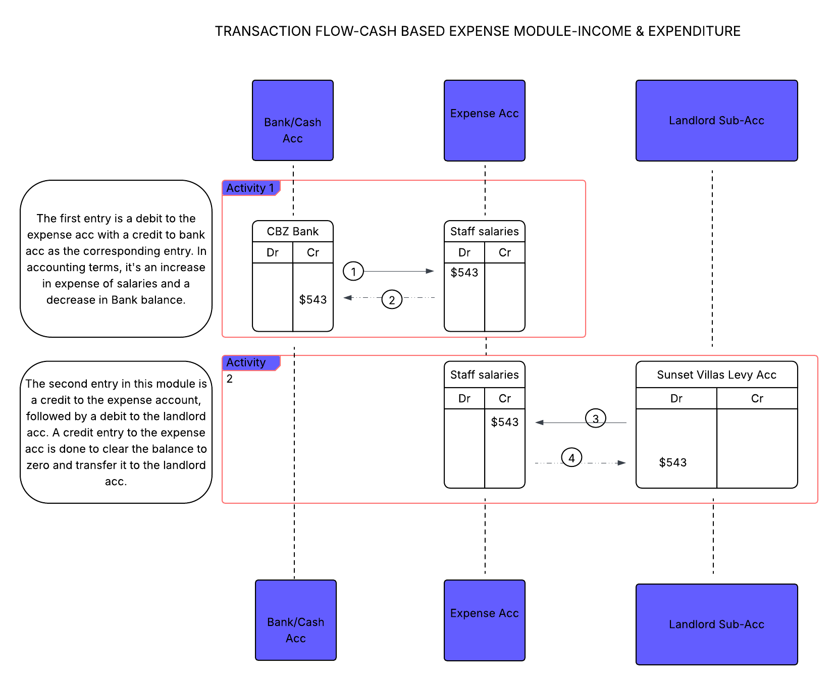

Assumptions

1 | The assumption of the Cash Expense Mapping Tabel and the Cash Expense Transaction Flow diagram is that the expenditures recorded using the Cash Expense module are all cash based.
 | These expenses affect the cash position of the landlord and if we view the landlord statement bank statement style view, the closing balance is the exact amount in cash we owe the landlord.

2 | This Cash Expense module is tailored to account for pure cash based expenses, and it does not go further to account for non-cash expenses that affect the landlord's profit.

3 | The Cash Expense module, offers a perfect and complete solution for Income and Expenditure report. It answers the question from the landlord asking the managing agent, "What amount do you we me?
 | It doesn't correctly answer the questions about profit since profits can be affected by non-cash expenses like depreciation and accrued expenses.
 | It can correctly answer the questions about profit only if the landlord doesn't incur other expenses that are non-cash.

4 | The zeroisation of the expense account by a credit entry is done to transfer the expense amount to the landlord sub account so that it creates an illusion whereby the landlord sub account can be viewed as cashbook,
 | though in reality it's a general ledger account. | It creates what I can name a Legitimate Illusion done for the purpose of achieving accurate reporting.
 | In Profit & Loss statement, these expenses still show their unzeroized amounts since the Profit & Loss reporting logic looks at how the expense account has affected the landlord's account profit.
 | The expense account shows a zero running balance if you view it from the management agent's side dashboard. This is so because as the managing agent'we are not the ones who have incurred those expenses, it's the landlords.
 | Viewing the expense account from the from the landlord account side, be it from the landlord's Income & Expenditure or landlord's Profit & Loss, you see the actual amount of the expense, and not a zero balance.
 | After the Normalization (Negation and Consolidation), the Legimate Illusion is another unrivalled ability of the software, that makes it outstanding when compared to other property management softwares.

However, a separate module, the Non-Cash Expense module, with different rules and different transaction flow logic will be designed to cater for the Profit & Loss Acc. For now, let's deal with the module for Income & Expenditure only.

